Sheet1
Bug Report for "Powr of You"

Project Name | Powr of You
App version | 3.0.6
Tested By | Shivendra Singh
Reviewed By | Self-Reviewed
Start Date | 2025-10-04
End Date | 2025-11-04
Device | Android 14
Assigned To | Shivendra Singh
Proiority | High, Medium, Low
Status | Open

Bug ID | Test Case ID | Feature | Bug Description | Severity | Priority | Status | Environment (Device/OS) | Preconditions | Steps to Reproduce | Expected Result | Actual Result | Test Data | Reported By | Attachments
BG_001 | TC_022 | Sign-Up | Verify the Password field for minimum length requirement | Medium | High | Fail | Android 14 | App installed and launched | 1. Navigate to the Sign-Up screen. 2. Enter "abcdefghijklmnopqrstuvwxyz" in the Password field. 3. Observe whether an error message is displayed. | Should display an error for insufficient password length. | Should not display an error for insufficient password length. | abcdefghijklmnopqrstuvwxyz | Shivendra Singh | 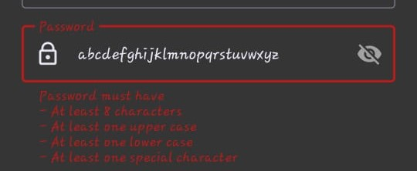
BG_002 | TC_040 | Login | Verify that the user should able to forgot their password | High | High | Fail | Android 14 | App installed and launched | 1. Navigate to the Login screen. 2. Click on "Login Button" 3. Click on "Forgot Password" 4. Fill the all inputs. 5. observe email verification code | The user should able to forgot their password | email verification code not recieved and user should not able to forgot their password | Email- singhshivendra6945@gmail.com | Shivendra Singh | 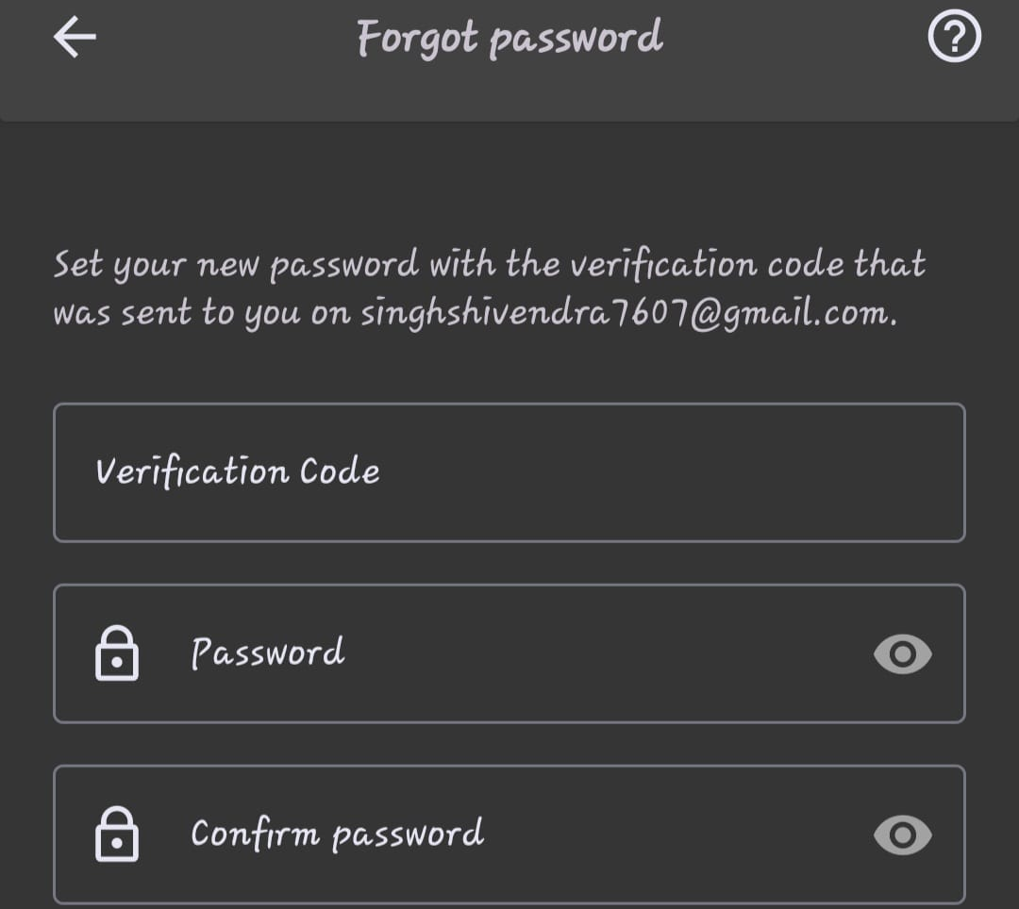
BG_003 | TC_016 | Sign-Up | Verify that the First Name and Last Name fields accept only invalid characters | Low | Low | Fail | Android 14 | App installed and launched | 1. Navigate to the Sign-Up screen. 2. Enter "556644" in the First Name field. 3. Enter "556644" in the Last Name field. 4. Observe whether an error is displayed. | Should not allow Numbers | it should not allows Numbers | First Name- 556644 Last Name- 556644 | 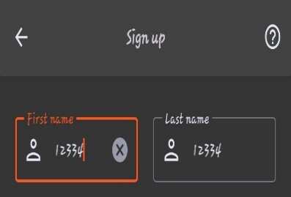 Shivendra Singh
BG_004 | TC_020 | Sign-Up | Verify that the City and State fields with blank input | High | Hign | Fail | Android 15 | App installed and launched | 1. Navigate to the Sign-Up screen. 2. Enter " " in the City field. 3. Enter " " in the State/Locality field. 4. Observe whether an error message is displayed. | App installed and launched | Should not allow only when input field is blank | it should not allow only when input field is blank | Shivendra Singh | 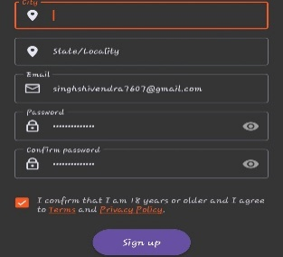
BG_005 | TC_036 | Login | Verify login functionality with valid credentials | High | High | Fail | Android 16 | App installed and launched | 1. Navigate to the Login screen. 2. Enter a valid Email and Password. 3. Click on Login. 4. Observe whether the user is successfully logged in. | User should be successfully logged in and redirected. | User should not be successfully logged in and redirected. | singhshivendra7607@gmail.com, Pass- Shivendra@1234 | Shivendra Singh

